Input 4#
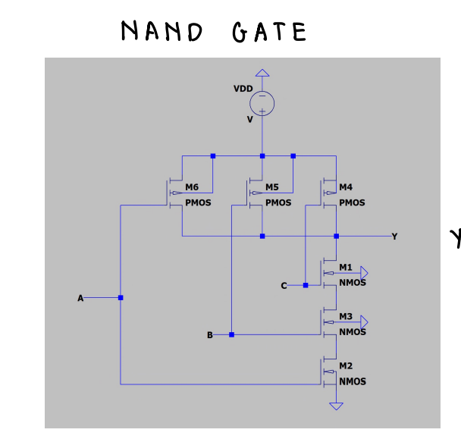
Temperature | API Output | Correct Parts | Correct Connections
0 | To build a three-input NAND gate using CMOS logic, we can use a combination of NMOS (n-channel metal-oxide-semiconductor) and PMOS (p-channel metal-oxide-semiconductor) transistors. Here's a circuit diagram for the three-input NAND gate: ``` Vdd │ │ │ │ └──────────────┐ │ ▼ ┌──────────┐ │ │ │ NAND │ │ │ └──────────┘ │ ▲ ▲ ▲ │ │ │ │ │ │ │ └───────┐ │ │ └──────────┐│ │ └─────────────┐│ └───────────────┐││ ▼▼▼ GND ``` In this circuit, we have three input signals (A, B, and C) and one output signal (Y). The NMOS transistors are represented by the nMOS symbol, and the PMOS transistors are represented by the pMOS symbol. Here's how the circuit works: 1. Connect the source terminals of all NMOS transistors to ground (GND). 2. Connect the source terminals of all PMOS transistors to the positive power supply voltage (Vdd). 3. Connect the drain terminal of each NMOS transistor to the output node Y. 4. Connect the drain terminal of each PMOS transistor to Vdd. 5. Connect the gate terminals of all NMOS transistors to their respective input signals (A, B, and C). 6. Connect the gate terminals of all PMOS transistors to the inverted input signals (A', B', and C'). The output Y will be low (0) only when all three input signals (A, B, and C) are high (1). Otherwise, the output Y will be high (1). Note: The circuit diagram provided is a simplified representation of a three-input NAND gate using CMOS logic. In practice, additional components such as resistors and capacitors may be required for prope | U | N | says Connect the source terminals of three NMOS transistors (NMOS1, NMOS2, and NMOS3) to ground (GND). But not very decribtive sound slike in parallel
0 | To build a three-input NAND gate using CMOS logic, we can use a combination of NMOS (n-channel metal-oxide-semiconductor) and PMOS (p-channel metal-oxide-semiconductor) transistors. Here is the circuit diagram: ``` VDD | | | | | | | | | | | | | |_____________________ | | | | | | | | | | | | | | | | | | | | | | | | | | | | | | | | |______________________| | | __|__ | / \ | / NMOS \ | /_________\ | | PMOS \ / |_________/ / | / | / |______________________/ ``` In this circuit, we have three input terminals (A, B, and C) and one output terminal (Y). The VDD represents the power supply voltage. Here's how the circuit works: 1. Connect the source terminal of the NMOS transistor to ground (GND). 2. Connect the drain terminal of the NMOS transistor to the output terminal (Y). 3. Connect the gate terminal of the NMOS transistor to the input terminal A. 4. Connect the source terminal of the PMOS transistor to VDD. 5. Connect the drain terminal of the PMOS transistor to the output terminal (Y). 6. Connect the gate terminal of the PMOS transistor to the input terminal A. 7. Repeat steps 3-6 for input terminals B and C, connecting them to additiona | U | N | additional NMOS and PMOS transistors in parallel with the existing ones.
0 | To build a three-input NAND gate using CMOS logic, we can use a combination of NMOS (n-channel metal-oxide-semiconductor) and PMOS (p-channel metal-oxide-semiconductor) transistors. Here is the circuit diagram: ``` VDD | | | | | | | | | | | | | |_____________________ | | | | | | | | | | | | | | | | | | | | | | | | | | | | | | | | | | |______________________| | | __|__ | / \ | / NMOS \ | /_________\ | | | | A B C ``` In this circuit, A, B, and C represent the three input signals to the NAND gate. VDD represents the positive power supply voltage. Here's how the circuit works: 1. Connect the source terminals of three NMOS transistors (NMOS1, NMOS2, and NMOS3) to ground (GND). 2. Connect the drain terminal of each NMOS transistor to the output node (OUT). 3. Connect the gate terminal of each NMOS transistor to its respective input signal (A, B, or C). 4. Connect the source terminals of three PMOS transistors (PMOS1, PMOS2, and PMOS3) to VDD. 5. Connect the drain terminal of each PMOS transistor to the output node (OUT). 6. Connect the gate terminal of each PMOS transistor to its respective input signal (A, B, or C). 7. Connect the gate terminals of all thr | Y | U
0 | To build a three-input NAND gate using CMOS logic, we can use a combination of NMOS (n-channel metal-oxide-semiconductor) and PMOS (p-channel metal-oxide-semiconductor) transistors. Here's a circuit diagram for the three-input NAND gate: ``` Vdd │ │ │ │ └──────────────┐ │ ▼ ┌──────────┐ │ │ │ NAND │ │ │ └──────────┘ │ ▲ │ │ │ │ ▼ │ ┌──────────┐ │ │ │ NAND │ │ │ └──────────┘ │ ▲ │ │ │ │ ▼ │ ┌──────────┐ │ │ │ NAND ├─ Output (Y) │ │ └──────────┘ ``` In this circuit, we have three input signals A, B, and C. Each input signal is connected to a separate NMOS transistor. The drain of each NMOS transistor is connected to the output of a PMOS transistor. The source of each NMOS transistor is connected to ground (GND), and the source of each PMOS transistor is connected to the positive power supply voltage (Vdd). The outputs of the three PMOS transistors are connected together at the output node, which represents the output of the three-input NAND gate. When any of the input signals A, B, or C is low (0), the corresponding NMOS transistor will be turned on, allowing current to flow from Vdd to ground through the PMOS transistor, resulting in a high output (1). However, if all three input signals are high (1), all three NMOS transistors will be turned off, preventing current fl | Y | N
0 | To build a three-input NAND gate using CMOS logic, we can use a combination of NMOS (n-channel metal-oxide-semiconductor) and PMOS (p-channel metal-oxide-semiconductor) transistors. Here is the circuit diagram: ``` VDD | | | | | | | | | | | | | |_____________________ | | | | | | | | | | | | | | | | | | | | | | | | | | | | | | | | |______________________| | | __|__ | / \ | / NMOS \ | /_________\ | | PMOS \ / |_________/ / | / | / |______________________/ ``` In this circuit, we have three input terminals (A, B, and C) and one output terminal (Y). The VDD represents the power supply voltage. Here's how the circuit works: 1. Connect the source terminal of the NMOS transistor to ground (GND). 2. Connect the drain terminal of the NMOS transistor to the output terminal (Y). 3. Connect the gate terminal of the NMOS transistor to the input terminal A. 4. Connect the source terminal of the PMOS transistor to VDD. 5. Connect the drain terminal of the PMOS transistor to the output terminal (Y). 6. Connect the gate terminal of the PMOS transistor to the input terminal A. 7. Repeat steps 3-6 for input terminals B and C, connecting them to additiona | U | N | additional NMOS and PMOS transistors in parallel with the existing ones.
0 | To build a three-input NAND gate using CMOS logic, we can use a combination of NMOS (n-channel metal-oxide-semiconductor) and PMOS (p-channel metal-oxide-semiconductor) transistors. Here's a circuit diagram for the three-input NAND gate: ``` Vdd │ │ │ │ └──────────────┐ │ ▼ ┌──────────┐ │ │ │ NAND │ │ │ └──────────┘ │ ▲ ▲ ▲ │ │ │ │ │ │ │ └───────┐ │ │ └──────────┐│ │ └─────────────┐│ └───────────────┐││ ▼▼▼ GND ``` In this circuit, we have three input signals (A, B, and C) and one output signal (Y). The NMOS transistors are represented by the nMOS symbol, and the PMOS transistors are represented by the pMOS symbol. Here's how the circuit works: 1. Connect the source terminals of all NMOS transistors to ground (GND). 2. Connect the source terminals of all PMOS transistors to the positive power supply voltage (Vdd). 3. Connect the drain terminals of all NMOS transistors to the output node Y. 4. Connect the drain terminals of all PMOS transistors to Vdd. 5. Connect the gate terminals of the NMOS transistors as follows: - For input A, connect it to the gate terminals of both NMOS1 and NMOS2. - For input B, connect it to the gate terminals of both NMOS3 and NMOS4. - For input C, connect it to the gate terminals of both NMOS5 and NMOS6. 6. Connect the gate terminals of the PMOS transistors as follows: - For input A, connect it to the gate terminals of both PMOS1 and PMOS2. - For input B, connect it to the gate terminals of both PMOS3 and PMOS4. - For input C, connect it | N | N | Connect the sources of all NMOS transistors to ground (GND).
0 | To build a three-input NAND gate using CMOS logic, we can use a combination of NMOS (n-channel metal-oxide-semiconductor) and PMOS (p-channel metal-oxide-semiconductor) transistors. Here's a circuit diagram for the three-input NAND gate: ``` Vdd │ │ │ │ └──────────────┐ │ ▼ ┌──────────┐ │ │ │ NAND │ │ │ └──────────┘ │ ▲ ▲ ▲ │ │ │ │ │ │ │ └───────┐ │ │ └──────────┐│ │ └─────────────┐│ └───────────────┐││ ▼▼▼ GND ``` In this circuit, we have three input signals (A, B, and C) and one output signal (Y). The NMOS transistors are represented by the nMOS symbol, and the PMOS transistors are represented by the pMOS symbol. Here's how the circuit works: 1. Connect the source terminals of all NMOS transistors to ground (GND). 2. Connect the source terminals of all PMOS transistors to the positive power supply voltage (Vdd). 3. Connect the drain terminal of each NMOS transistor to the output node Y. 4. Connect the drain terminal of each PMOS transistor to Vdd. 5. Connect the gate terminals of all NMOS transistors to their respective input signals (A, B, and C). 6. Connect the gate terminals of all PMOS transistors to the inverted input signals (A', B', and C'). The output Y will be low (0) only when all three input signals (A, B, and C) are high (1). Otherwise, the output Y will be high (1). Note: The circuit diagram provided is a simplified representation of a three-input NAND gate using CMOS logic. In practice, additional components such as resistors and capacitors may be required for prope | U | N | Connect the sources of all NMOS transistors to ground (GND).
0 | To build a three-input NAND gate using CMOS logic, we can use a combination of NMOS (n-channel metal-oxide-semiconductor) and PMOS (p-channel metal-oxide-semiconductor) transistors. Here's a circuit diagram for the three-input NAND gate: ``` Vdd │ │ │ │ └──────────────┐ │ ▼ ┌──────────┐ │ │ │ NAND │ │ │ └──────────┘ │ ▲ ▲ ▲ │ │ │ │ │ │ │ └───────┐ │ │ └──────────┐│ │ └─────────────┐│ └───────────────┐││ ▼▼▼ GND ``` In this circuit, we have three input signals (A, B, and C) and one output signal (Y). The NMOS transistors are represented by the nMOS symbol, and the PMOS transistors are represented by the pMOS symbol. Here's how the circuit works: 1. Connect the source terminals of all NMOS transistors to ground (GND). 2. Connect the source terminals of all PMOS transistors to the positive power supply voltage (Vdd). 3. Connect the drain terminal of each NMOS transistor to the output node Y. 4. Connect the drain terminal of each PMOS transistor to Vdd. 5. Connect the gate terminals of all NMOS transistors to their respective input signals (A, B, and C). 6. Connect the gate terminals of all PMOS transistors to the inverted input signals (A', B', and C'). The output Y will be low (0) only when all three input signals (A, B, and C) are high (1). Otherwise, the output Y will be high (1). Note: The circuit diagram provided is a simplified representation of a three-input NAND gate using CMOS logic. In practice, additional components such as resistors and capacitors may be required for prope | U | N | Connect the sources of all NMOS transistors to ground (GND).
0 | To build a three-input NAND gate using CMOS logic, we can use a combination of NMOS (n-channel metal-oxide-semiconductor) and PMOS (p-channel metal-oxide-semiconductor) transistors. Here is the circuit diagram: ``` VDD | | | | | | | | | | | | | |_____________________ | | | | | | | | | | | | | | | | | | | | | | | | | | | | | | | | | | |______________________| | | Input1 Output | | Input2 | | | Input3 | |_____________________| ``` In this circuit, we have three input signals (Input1, Input2, and Input3) and one output signal (Output). The VDD represents the positive power supply voltage. To implement the NAND gate functionality, we need to connect the NMOS transistors in parallel and the PMOS transistors in series. Here's how you can connect the transistors: 1. Connect the sources of all NMOS transistors to ground (GND). 2. Connect the drains of all NMOS transistors together to form the output node. 3. Connect the gates of all NMOS transistors to their respective input signals (Input1, Input2, and Input3). 4. Connect the sources of all PMOS transistors to VDD. 5. Connect the drains of all PMOS transistors together to form the output node. 6. Connect the gates of all P | U | N | Connect the sources of all NMOS transistors to ground (GND).
0 | To build a three-input NAND gate using CMOS logic, we can use a combination of NMOS (n-channel metal-oxide-semiconductor) and PMOS (p-channel metal-oxide-semiconductor) transistors. Here is the circuit diagram: ``` VDD | | | | | | | | | | | | | |_____________________ | | | | | | | | | | | | | | | | | | | | | | | | | | | | | | | | |______________________| | | __|__ | / \ | / NMOS \ | /_________\ | | PMOS \ / |_________/ / | / | / |______________________/ ``` In this circuit, we have three input terminals (A, B, and C) and one output terminal (Y). The VDD represents the power supply voltage. Here's how the circuit works: 1. Connect the source terminal of the NMOS transistor to ground (GND). 2. Connect the drain terminal of the NMOS transistor to the output terminal (Y). 3. Connect the gate terminal of the NMOS transistor to the input terminal A. 4. Connect the source terminal of the PMOS transistor to VDD. 5. Connect the drain terminal of the PMOS transistor to the output terminal (Y). 6. Connect the gate terminal of the PMOS transistor to the input terminal A. 7. Repeat steps 3-6 for input terminals B and C, connecting them to additiona | U | N

Make with astric
 | Increasing the temperature does not prevent from frequncey
 | Increased Frequency penalty: from o to 0.2
 | Problem:
 | To build a three-input NAND gate using CMOS logic, we can use a combination of NMOS (n-channel metal-oxide-semiconductor) and PMOS (p-channel metal-oxide-semiconductor) transistors. Here is a circuit diagram for a three-input NAND gate using CMOS logic: ``` Vdd | | | | | | | | | | | | | | | | | | | | | | | | | | | | | | | | | | | | | | | | | | | | | | | | | | | | | | | | | | | | | | | | | | | | | | | | | | | | | | | | | | | | | | | | | | | | | | | | | | | | | | | | | | | | | | | | | | | | | | | | | | | | | | | | | | | | | | | | | | | | | | | | | | | | | | | | | | | | |
 | Diagram in the front

Input 5
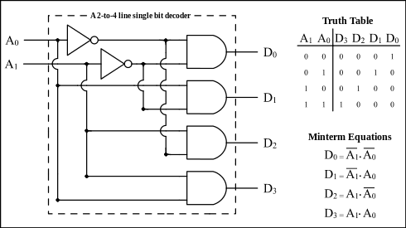
Temperature | API Output | Correct Parts | Correct Connections
0 | To build a 1 of 4 decoder using logic gates, we can use a combination of AND, OR, and NOT gates. Here's one possible implementation: Inputs: A, B (2-bit binary inputs) Outputs: Y0, Y1, Y2, Y3 (4 outputs) 1. Connect A and B to the inputs of two AND gates. 2. Connect the output of the first AND gate to the input of a NOT gate. 3. Connect the output of the second AND gate to the input of an OR gate. 4. Connect the output of the NOT gate to one input of the OR gate. 5. Connect the output of the OR gate to Y0. 6. Connect the output of the second AND gate directly to Y1. 7. Connect the output of the first AND gate to the input of a NOT gate. 8. Connect the output of the NOT gate to Y2. 9. Connect the output of the second AND gate to the input of a NOT gate. 10. Connect the output of the NOT gate to Y3. This implementation will decode the 2-bit binary inputs A and B into four outputs Y0, Y1, Y2, and Y3. The specific output will be determined by the combination of A and B inputs. | N | N
0 | To build a 1 of 4 decoder using logic gates, we can use a combination of AND and NOT gates. Here's the circuit diagram: ``` A | | _______ | | | ---|A| | | | | ---|B| | | | | ---|C| | | | | ---|D| | | | | | |_______| | | _______ | | | ---|Y| | | |_______| ``` In this diagram, A, B, C, and D are the input lines, and Y is the output line. The output Y will be high (1) for only one of the input combinations. To implement this circuit, we can use the following logic gates: 1. Use four AND gates, each with two inputs. Connect one input of each AND gate to one of the input lines (A, B, C, D). Connect the other input of each AND gate to the complement (NOT) of the corresponding input line. For example, connect the second input of the first AND gate to the complement of A, the second input of the second AND gate to the complement of B, and so on. 2. Connect the outputs of the four AND gates to the inputs of a four-input OR gate. The output of the OR gate will be the output Y. By implementing this circuit, we have built a 1 of 4 decoder using logic gates. | N | N | outputs of the four AND gates to the inputs of a four-input OR gate.
0 | To build a 1 of 4 decoder using logic gates, we can use a combination of AND and NOT gates. Here is the circuit diagram: ``` _______ A0 ---| | | AND |--- Y0 B0 ---|_______| _______ A1 ---| | | AND |--- Y1 B1 ---|_______| _______ A2 ---| | | AND |--- Y2 B2 ---|_______| _______ A3 ---| | | AND |--- Y3 B3 ---|_______| ``` In this circuit, A0, A1, A2, and A3 are the input lines, and B0, B1, B2, and B3 are the output lines. Y0, Y1, Y2, and Y3 represent the decoded outputs. The inputs A0, A1, A2, and A3 are connected to the inputs of the AND gates. The other input of each AND gate is connected to a NOT gate, which takes the complement of the respective input. The output of each AND gate is connected to the corresponding output line B0, B1, B2, or B3. The truth table for this 1 of 4 decoder is as follows: ``` A3 A2 A1 A0 | B3 B2 B1 B0 ----------------|---------------- 0 0 0 1 | 0 0 0 1 0 0 1 0 | 0 0 1 0 0 1 0 0 | 0 1 0 0 1 0 0 0 | 1 0 0 0 ``` This circuit will decode the input combination and activate the corresponding output line while keeping the other output lines inactive. | U | N | From diagram there was 4 and gates
0 | To build a 1 of 4 decoder using logic gates, we can use a combination of AND and NOT gates. Here is the circuit diagram: ``` _______ A0 ---| | | AND |--- Y0 B0 ---|_______| _______ A1 ---| | | AND |--- Y1 B1 ---|_______| _______ A2 ---| | | AND |--- Y2 B2 ---|_______| _______ A3 ---| | | AND |--- Y3 B3 ---|_______| ``` In this circuit, A0, A1, A2, and A3 are the input lines, and B0, B1, B2, and B3 are the output lines. Y0, Y1, Y2, and Y3 represent the decoded outputs. The AND gates are used to generate the outputs based on the input combinations. Each AND gate has two inputs: one from the corresponding input line (A0, A1, A2, A3) and one from the complement of the other input lines. The complement of an input line is obtained by passing it through a NOT gate. For example, to generate Y0, we connect A0 directly to one input of the AND gate and pass A1, A2, and A3 through NOT gates before connecting them to the other input of the AND gate. The output of this AND gate will be Y0. Similarly, we can generate Y1, Y2, and Y3 by connecting the appropriate input lines and their complements to the corresponding AND gates. Note: The NOT gates can be implemented using a variety of logic gates, such as NAND or NOR gates. | U | N
0 | To build a 1 of 4 decoder using logic gates, we can use a combination of AND and NOT gates. Here is the circuit diagram: ``` _______ A0 ---| | | AND |--- Y0 B0 ---|_______| _______ A1 ---| | | AND |--- Y1 B1 ---|_______| _______ A2 ---| | | AND |--- Y2 B2 ---|_______| _______ A3 ---| | | AND |--- Y3 B3 ---|_______| ``` In this circuit, A0, A1, A2, and A3 are the input lines, and B0, B1, B2, and B3 are the output lines. Y0, Y1, Y2, and Y3 represent the decoded outputs. The AND gates are used to generate the outputs based on the input combinations. Each AND gate has two inputs: one from the corresponding input line (A0, A1, A2, A3) and one from the complement of the other input lines. The complement of an input line is obtained by passing it through a NOT gate. For example, to generate Y0, we connect A0 directly to one input of the AND gate, and A1, A2, and A3 are connected to the other input through NOT gates. The output of this AND gate will be Y0. Similarly, we can generate Y1, Y2, and Y3 by connecting the input lines and their complements to the corresponding AND gates. This circuit will decode the input combinations and produce the corresponding output based on the active input line. For example, if A0 is active (high) and all other input lines are inactive (low), Y0 will be active (high), and all other outputs will be inactive (low). | U | N
0 | To build a 1 of 4 decoder using logic gates, we can use a combination of AND and NOT gates. Here's the circuit diagram: ``` A | | _______ | | | ---|A| | | | | ---|B| | | | | ---|C| | | | | ---|D| | | | | | |_______| | | _______ | | | ---|Y| | | |_______| ``` In this diagram, A, B, C, and D are the input lines, and Y is the output line. The output Y will be high (1) for only one of the input combinations. To implement this circuit, we can use the following logic gates: 1. Use four AND gates, each with two inputs. Connect one input of each AND gate to one of the input lines (A, B, C, D). Connect the other input of each AND gate to the complement (NOT) of the corresponding input line. For example, connect the second input of the first AND gate to the complement of A, the second input of the second AND gate to the complement of B, and so on. 2. Connect the outputs of the four AND gates to the inputs of a four-input OR gate. The output of the OR gate will be the output Y. By implementing this circuit, we have built a 1 of 4 decoder using logic gates. | N | N
0 | To build a 1 of 4 decoder using logic gates, we can use a combination of AND and NOT gates. Here is the circuit diagram: ``` _______ A0 ---| | | AND |--- Y0 B0 ---|_______| _______ A1 ---| | | AND |--- Y1 B1 ---|_______| _______ A2 ---| | | AND |--- Y2 B2 ---|_______| _______ A3 ---| | | AND |--- Y3 B3 ---|_______| ``` In this circuit, A0, A1, A2, and A3 are the input lines, and B0, B1, B2, and B3 are the output lines. Y0, Y1, Y2, and Y3 represent the decoded outputs. The inputs A0, A1, A2, and A3 are connected to the inputs of the AND gates. The other input of each AND gate is connected to a NOT gate, which takes the complement of the respective input. The output of each AND gate is connected to the corresponding output line B0, B1, B2, or B3. The truth table for this 1 of 4 decoder is as follows: ``` A3 A2 A1 A0 | B3 B2 B1 B0 ----------------|---------------- 0 0 0 1 | 0 0 0 1 0 0 1 0 | 0 0 1 0 0 1 0 0 | 0 1 0 0 1 0 0 0 | 1 0 0 0 ``` This circuit will decode the input lines A0, A1, A2, and A3 and activate the corresponding output line B0, B1, B2, or B3 based on the input combination. | U | N
0 | To build a 1 of 4 decoder using logic gates, we can use a combination of AND and NOT gates. Here is the circuit diagram: ``` _______ A0 ---| | | AND |--- Y0 B0 ---|_______| _______ A1 ---| | | AND |--- Y1 B1 ---|_______| _______ A2 ---| | | AND |--- Y2 B2 ---|_______| _______ A3 ---| | | AND |--- Y3 B3 ---|_______| ``` In this circuit, A0, A1, A2, and A3 are the input lines, and B0, B1, B2, and B3 are the output lines. Y0, Y1, Y2, and Y3 represent the decoded outputs. The inputs A0, A1, A2, and A3 are connected to the inputs of the AND gates. The other input of each AND gate is connected to a NOT gate, which takes the complement of the respective input. The output of each AND gate is connected to the corresponding output line B0, B1, B2, or B3. The truth table for this 1 of 4 decoder is as follows: ``` A3 A2 A1 A0 | B3 B2 B1 B0 ----------------|---------------- 0 0 0 1 | 0 0 0 1 0 0 1 0 | 0 0 1 0 0 1 0 0 | 0 1 0 0 1 0 0 0 | 1 0 0 0 ``` This circuit will decode the input lines A0, A1, A2, and A3 and activate the corresponding output line B0, B1, B2, or B3 based on the input combination. | U | N
0 | To build a 1 of 4 decoder using logic gates, we can use a combination of AND and NOT gates. Here's the circuit diagram: ``` A | | _______ | | | ---|A| | | | | ---|B| | | | | ---|C| | | | | ---|D| | | | | | |_______| | | _______ | | | ---|Y| | | |_______| ``` In this diagram, A, B, C, and D are the input lines, and Y is the output line. The output Y will be active (high) for only one of the input combinations. To implement this circuit, we can use the following logic gates: 1. Use four AND gates, each with two inputs. Connect one input of each AND gate to one of the input lines (A, B, C, D). Connect the other input of each AND gate to the complement (NOT) of the corresponding input line. For example, connect the second input of the first AND gate to the complement of A, the second input of the second AND gate to the complement of B, and so on. 2. Connect the outputs of the four AND gates to the inputs of a four-input OR gate. The output of the OR gate will be the output Y. By implementing this circuit, we have successfully built a 1 of 4 decoder using logic gates. | N | N
0 | To build a 1 of 4 decoder using logic gates, we can use a combination of AND and NOT gates. Here is the circuit diagram: ``` _______ A0 ---| | | AND |--- Y0 B0 ---|_______| _______ A1 ---| | | AND |--- Y1 B1 ---|_______| _______ A2 ---| | | AND |--- Y2 B2 ---|_______| _______ A3 ---| | | AND |--- Y3 B3 ---|_______| ``` In this circuit, A0, A1, A2, and A3 are the input lines, and B0, B1, B2, and B3 are the output lines. Y0, Y1, Y2, and Y3 represent the decoded outputs. The inputs A0, A1, A2, and A3 are connected to the inputs of the AND gates. The other input of each AND gate is connected to a NOT gate, which takes the complement of the respective input. The output of each AND gate is connected to the corresponding output line B0, B1, B2, or B3. The truth table for this 1 of 4 decoder is as follows: ``` A3 | A2 | A1 | A0 || B3 | B2 | B1 | B0 ------------------------------------- 0 | 0 | 0 | 0 || 0 | 0 | 0 | 1 0 | 0 | 0 | 1 || 0 | 0 | 1 | 0 0 | 0 | 1 | 0 || 0 | 1 | 0 | 0 0 | 0 | 1 | 1 || 1 | 0 | 0 | 0 0 | 1 | 0 | 0 || 0 | 0 | 1 | 0 0 | 1 | 0 | 1 || 0 | 1 | 0 | 0 0 | 1 | 1 | 0 || 1 | 0 | 0 | 0 0 | 1 | 1 | 1 || 0 | 0 | 0 | 1 1 | 0 | 0 | 0 || 0 | 1 | 0 | 0 1 | 0 | 0 | 1 || 1 | 0 | 0 | 0 1 | 0 | 1 | 0 || 0 | 0 | 0 | 1 1 | 0 | 1 | 1 || 0 | 0 | 1 | 0 1 | 1 | 0 | 0 || 1 | 0 | 0 | 0 1 | 1 | 0 | 1 || 0 | 0 | 0 | 1 1 | 1 | 1 | 0 || 0 | 0 | 1 | 0 1 | 1 | 1 | 1 || 0 | 1 | 0 | 0 ``` This circuit will decode the input lines A0, A1, A2, and A3 into one of the four output lines B0, B1, B2, or B3, depending on the combination of the input lines. | U | N

 |  | Imperative that a inocrrect partlist can lead to a incorrect part connection

Input 6
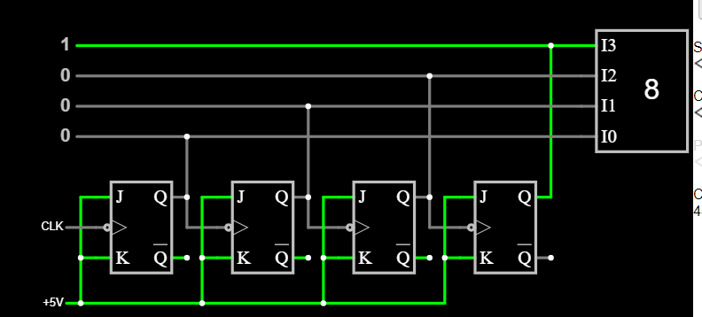
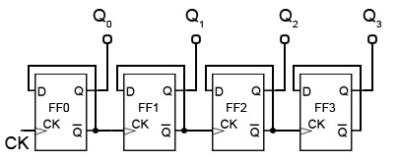
Temperature | API Output | Correct Parts | Correct Connections
0 | Sure! Here's a simple 3-bit ripple counter circuit using D flip-flops: 1. Start by connecting three D flip-flops in series. Label them as FF1, FF2, and FF3. 2. Connect the Q output of FF1 to the D input of FF2. 3. Connect the Q output of FF2 to the D input of FF3. 4. Connect the clock signal (CLK) to the clock (C) input of FF1. 5. Connect the inverted output of FF1 (Q̅) to the clock (C) input of FF2. 6. Connect the inverted output of FF2 (Q̅) to the clock (C) input of FF3. 7. Connect the clear (CLR) input of all three flip-flops to a common clear signal (CLR). 8. Connect the preset (PR) input of all three flip-flops to a common preset signal (PR). 9. Connect the output (Q) of FF1 to the first output bit (Q0). 10. Connect the output (Q) of FF2 to the second output bit (Q1). 11. Connect the output (Q) of FF3 to the third output bit (Q2). That's it! You have successfully built a 3-bit ripple counter circuit using D flip-flops. | Y | N | D FF
0 | Sure! Here's a simple 3-bit ripple counter circuit using D flip-flops: 1. Start by connecting three D flip-flops in series. Label them as FF1, FF2, and FF3. 2. Connect the Q output of FF1 to the D input of FF2. 3. Connect the Q output of FF2 to the D input of FF3. 4. Connect the clock signal (CLK) to the clock (C) input of FF1. 5. Connect the inverted output of FF1 (Q̅) to the clock (C) input of FF2. 6. Connect the inverted output of FF2 (Q̅) to the clock (C) input of FF3. 7. Connect the clear (CLR) input of all three flip-flops to a common clear signal (CLR). 8. Connect the preset (PR) input of all three flip-flops to a common preset signal (PR). 9. Connect the output (Q) of FF1 to the first output bit (Q0). 10. Connect the output (Q) of FF2 to the second output bit (Q1). 11. Connect the output (Q) of FF3 to the third output bit (Q2). That's it! You have successfully built a 3-bit ripple counter circuit using D flip-flops. | Y | N | D FF
0 | Sure! Here's a simple 3-bit ripple counter circuit using D flip-flops: 1. Start by connecting three D flip-flops in series. Label them as FF1, FF2, and FF3. 2. Connect the Q output of FF1 to the D input of FF2. 3. Connect the Q output of FF2 to the D input of FF3. 4. Connect the clock signal (CLK) to the clock (C) input of FF1. 5. Connect the inverted output of FF1 (Q̅) to the clock (C) input of FF2. 6. Connect the inverted output of FF2 (Q̅) to the clock (C) input of FF3. 7. Connect the clear (CLR) input of all three flip-flops to a common clear signal (CLR). 8. Connect the preset (PR) input of all three flip-flops to a common preset signal (PR). 9. Connect the output (Q) of FF1 to the first output bit (Q0). 10. Connect the output (Q) of FF2 to the second output bit (Q1). 11. Connect the output (Q) of FF3 to the third output bit (Q2). That's it! You have successfully built a 3-bit ripple counter circuit using D flip-flops. | Y | N
0 | Sure! Here's a simple 3-bit ripple counter circuit using D flip-flops: 1. Start by connecting three D flip-flops in series. Label them as FF1, FF2, and FF3. 2. Connect the Q output of FF1 to the D input of FF2. 3. Connect the Q output of FF2 to the D input of FF3. 4. Connect the clock signal (CLK) to the clock (C) input of FF1. 5. Connect the inverted output of FF1 (Q̅) to the clock (C) input of FF2. 6. Connect the inverted output of FF2 (Q̅) to the clock (C) input of FF3. 7. Connect the clear (CLR) input of all three flip-flops to a common clear signal (CLR). 8. Connect the preset (PR) input of all three flip-flops to a common preset signal (PR). 9. Connect the output (Q) of FF1 to the first output bit (Q0). 10. Connect the output (Q) of FF2 to the second output bit (Q1). 11. Connect the output (Q) of FF3 to the third output bit (Q2). That's it! You have successfully built a 3-bit ripple counter circuit using D flip-flops. | Y | N
0 | Sure! Here's a simple 3-bit ripple counter circuit using D flip-flops: 1. Start by connecting three D flip-flops in series. Label them as FF1, FF2, and FF3. 2. Connect the Q output of FF1 to the D input of FF2. 3. Connect the Q output of FF2 to the D input of FF3. 4. Connect the clock signal (CLK) to the clock (C) input of FF1. 5. Connect the inverted output of FF1 (Q̅) to the clock (C) input of FF2. 6. Connect the inverted output of FF2 (Q̅) to the clock (C) input of FF3. 7. Connect the clear (CLR) input of all three flip-flops to a common clear signal (CLR). 8. Connect the preset (PR) input of all three flip-flops to a common preset signal (PR). 9. Connect the output (Q) of FF1 to the first output bit (Q0). 10. Connect the output (Q) of FF2 to the second output bit (Q1). 11. Connect the output (Q) of FF3 to the third output bit (Q2). That's it! You have successfully built a 3-bit ripple counter circuit using D flip-flops. | Y | N
0 | Sure! Here's a simple 3-bit ripple counter circuit using D flip-flops: 1. Start by connecting three D flip-flops in series. Label them as FF1, FF2, and FF3. 2. Connect the Q output of FF1 to the D input of FF2. 3. Connect the Q output of FF2 to the D input of FF3. 4. Connect the clock signal (CLK) to the clock (C) input of FF1. 5. Connect the inverted output of FF1 (Q̅) to the clock (C) input of FF2. 6. Connect the inverted output of FF2 (Q̅) to the clock (C) input of FF3. 7. Connect the clear (CLR) input of all three flip-flops to a common clear signal (CLR). 8. Connect the preset (PR) input of all three flip-flops to a common preset signal (PR). 9. Connect the output (Q) of FF1 to the first output bit (Q0). 10. Connect the output (Q) of FF2 to the second output bit (Q1). 11. Connect the output (Q) of FF3 to the third output bit (Q2). That's it! You have successfully built a 3-bit ripple counter circuit using D flip-flops. | Y | N
0 | Sure! Here's a simple 3-bit ripple counter circuit using D flip-flops: 1. Start by connecting three D flip-flops in series. Label them as FF1, FF2, and FF3. 2. Connect the Q output of FF1 to the D input of FF2. 3. Connect the Q output of FF2 to the D input of FF3. 4. Connect the clock signal (CLK) to the clock (C) input of FF1. 5. Connect the inverted output of FF1 (Q̅) to the clock (C) input of FF2. 6. Connect the inverted output of FF2 (Q̅) to the clock (C) input of FF3. 7. Connect the clear (CLR) input of all three flip-flops to a common clear signal (CLR). 8. Connect the preset (PR) input of all three flip-flops to a common preset signal (PR). 9. Connect the output (Q) of FF1 to the first output bit (Q0). 10. Connect the output (Q) of FF2 to the second output bit (Q1). 11. Connect the output (Q) of FF3 to the third output bit (Q2). That's it! You have successfully built a 3-bit ripple counter circuit using D flip-flops. | Y | N
0 | Sure! Here's a simple 3-bit ripple counter circuit using D flip-flops: 1. Start by connecting three D flip-flops in series. Label them as FF1, FF2, and FF3. 2. Connect the Q output of FF1 to the D input of FF2. 3. Connect the Q output of FF2 to the D input of FF3. 4. Connect the clock signal (CLK) to the clock (C) input of FF1. 5. Connect the inverted output of FF1 (Q̅) to the clock (C) input of FF2. 6. Connect the inverted output of FF2 (Q̅) to the clock (C) input of FF3. 7. Connect the clear (CLR) input of all three flip-flops to a common clear signal (CLR). 8. Connect the preset (PR) input of all three flip-flops to a common preset signal (PR). 9. Connect the output (Q) of FF1 to the first output bit (Q0). 10. Connect the output (Q) of FF2 to the second output bit (Q1). 11. Connect the output (Q) of FF3 to the third output bit (Q2). That's it! You have successfully built a 3-bit ripple counter circuit using D flip-flops. | Y | N
0 | Sure! Here's a simple 3-bit ripple counter circuit using D flip-flops: 1. Start by connecting three D flip-flops in series. Label them as FF1, FF2, and FF3. 2. Connect the Q output of FF1 to the D input of FF2. 3. Connect the Q output of FF2 to the D input of FF3. 4. Connect the clock signal (CLK) to the clock (C) input of FF1. 5. Connect the inverted output of FF1 (Q̅) to the clock (C) input of FF2. 6. Connect the inverted output of FF2 (Q̅) to the clock (C) input of FF3. 7. Connect the clear (CLR) input of all three flip-flops to a common clear signal (CLR). 8. Connect the preset (PR) input of all three flip-flops to a common preset signal (PR). 9. Connect the output (Q) of FF1 to the first output bit (Q0). 10. Connect the output (Q) of FF2 to the second output bit (Q1). 11. Connect the output (Q) of FF3 to the third output bit (Q2). That's it! You have successfully built a 3-bit ripple counter circuit using D flip-flops. | Y | N
0 | Sure! Here's a simple 3-bit ripple counter circuit using D flip-flops: 1. Start by connecting three D flip-flops in series. Label them as FF1, FF2, and FF3. 2. Connect the Q output of FF1 to the D input of FF2. 3. Connect the Q output of FF2 to the D input of FF3. 4. Connect the clock signal (CLK) to the clock (C) input of FF1. 5. Connect the inverted output of FF1 (Q̅) to the clock (C) input of FF2. 6. Connect the inverted output of FF2 (Q̅) to the clock (C) input of FF3. 7. Connect the clear (CLR) input of all three flip-flops to a common clear signal (CLR). 8. Connect the preset (PR) input of all three flip-flops to a common preset signal (PR). 9. Connect the output (Q) of FF1 to the first output bit (Q0). 10. Connect the output (Q) of FF2 to the second output bit (Q1). 11. Connect the output (Q) of FF3 to the third output bit (Q2). That's it! You have now built a 3-bit ripple counter circuit using D flip-flops. The counter will increment by 1 on each rising edge of the clock signal. The clear and preset signals can be used to initialize the counter to a specific value if needed. | Y | N | Not the same as the rest for the last part

 | All are the same output
 | incorrect part connection: Connect the Q output of FF1 to the D input of FF2.

Input 8
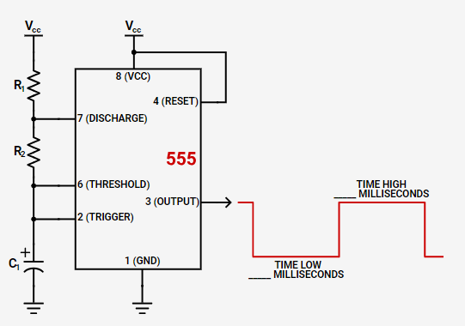
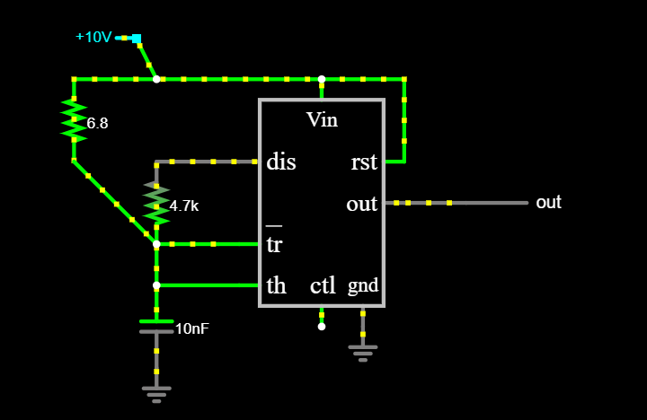
Temperature | API Output | Correct Parts | Correct Connections
0 | To build a square wave frequency generator at 10kHz using a NE555 timer IC, you will need the following components: 1. NE555 timer IC 2. Resistors: R1 (10kΩ), R2 (10kΩ), and R3 (1kΩ) 3. Capacitors: C1 (10nF) and C2 (100nF) 4. Power supply (5V to 15V DC) 5. Breadboard or PCB for circuit assembly 6. Connecting wires 7. Oscilloscope (optional) for waveform visualization Here are the steps to build the circuit: 1. Connect pin 1 (ground) of the NE555 IC to the negative terminal of the power supply. 2. Connect pin 8 (VCC) of the NE555 IC to the positive terminal of the power supply. 3. Connect pin 4 (reset) of the NE555 IC to pin 8 (VCC) using a 10kΩ resistor (R1). 4. Connect pin 5 (control voltage) of the NE555 IC to pin 8 (VCC) using a 10nF capacitor (C1). 5. Connect pin 6 (threshold) of the NE555 IC to pin 2 (trigger) using a 10kΩ resistor (R2). 6. Connect pin 2 (trigger) of the NE555 IC to pin 7 (discharge) using a 1kΩ resistor (R3). 7. Connect pin 7 (discharge) of the NE555 IC to pin 1 (ground). 8. Connect pin 3 (output) of the NE555 IC to the positive terminal of the output terminal (where you want to measure the square wave). 9. Connect pin 3 (output) of the NE555 IC to pin 6 (threshold) using a 100nF capacitor (C2). 10. Connect pin 4 (reset) of the NE555 IC to pin 6 (threshold) using a 10kΩ resistor (R2). 11. Connect pin 5 (control voltage) of the NE555 IC to pin 6 (threshold) using a 10kΩ resistor (R2). 12. Connect pin 4 (reset) of the NE555 IC to pin 2 (trigger) using a 10kΩ resistor (R2). 13. Connect pin 4 (reset) of the NE555 IC to pin 7 (discharge) using a 1kΩ resistor (R3). 14. Connect pin 4 (reset) of the NE555 IC to pin 8 (VCC) using a 10kΩ resistor (R1). Once the circuit is built, apply power to the NE555 IC by connecting the positive and negative terminals of the power supply to pins 8 (VCC) and 1 (ground), respectively. You should now have a square wave frequency generator at 10kHz. You can measure the output waveform u | N | N | wrong values and "Connect pin 3 (Output) of the NE555 to pin 7 (Discharge) using a capacitor C2 (0.1μF)."
0 | To build a square wave frequency generator at 10kHz using a NE555 timer IC, you will need the following components: 1. NE555 timer IC 2. Resistors: R1 (10kΩ), R2 (10kΩ), and R3 (1kΩ) 3. Capacitors: C1 (10nF) and C2 (100nF) 4. Power supply (5V to 15V DC) 5. Breadboard or PCB for circuit assembly 6. Connecting wires 7. Oscilloscope (optional) for waveform visualization Here are the steps to build the circuit: 1. Connect pin 1 (ground) of the NE555 IC to the negative terminal of the power supply. 2. Connect pin 8 (VCC) of the NE555 IC to the positive terminal of the power supply. 3. Connect pin 4 (reset) of the NE555 IC to pin 8 (VCC) using a 10kΩ resistor (R1). 4. Connect pin 5 (control voltage) of the NE555 IC to pin 8 (VCC) using a 10nF capacitor (C1). 5. Connect pin 6 (threshold) of the NE555 IC to pin 2 (trigger) using a 10kΩ resistor (R2). 6. Connect pin 2 (trigger) of the NE555 IC to pin 7 (discharge) using a 1kΩ resistor (R3). 7. Connect pin 7 (discharge) of the NE555 IC to pin 1 (ground). 8. Connect pin 3 (output) of the NE555 IC to the positive terminal of the output terminal (for waveform observation). 9. Connect pin 3 (output) of the NE555 IC to pin 6 (threshold) using a 100nF capacitor (C2). 10. Connect pin 3 (output) of the NE555 IC to pin 4 (reset) using a 10kΩ resistor (R1). 11. Connect pin 3 (output) of the NE555 IC to pin 5 (control voltage) using a 10kΩ resistor (R2). 12. Connect pin 3 (output) of the NE555 IC to pin 2 (trigger) using a 1kΩ resistor (R3). 13. Connect pin 3 (output) of the NE555 IC to pin 7 (discharge) using a 100nF capacitor (C2). Once the circuit is assembled, apply power to the NE555 IC by connecting the positive and negative terminals of the power supply to pins 8 (VCC) and 1 (ground), respectively. The NE555 IC will generate a square wave output at pin 3 (output) with a frequency of approximately 10kHz. You can observe the waveform using an oscilloscope connected to the positive terminal of the ou | N | N
0 | To build a square wave frequency generator at 10kHz using a NE555 timer IC, you will need the following components: 1. NE555 timer IC 2. Resistors: R1 (10kΩ), R2 (10kΩ), and R3 (1kΩ) 3. Capacitors: C1 (10nF) and C2 (100nF) 4. Power supply (5V to 15V DC) 5. Breadboard or PCB for circuit assembly 6. Connecting wires 7. Oscilloscope (optional) for waveform visualization Here are the steps to build the circuit: 1. Connect pin 1 (ground) of the NE555 IC to the negative terminal of the power supply. 2. Connect pin 8 (VCC) of the NE555 IC to the positive terminal of the power supply. 3. Connect pin 4 (reset) of the NE555 IC to pin 8 (VCC) to disable the reset function. 4. Connect pin 5 (control voltage) of the NE555 IC to pin 8 (VCC) to provide a stable voltage reference. 5. Connect pin 6 (threshold) of the NE555 IC to pin 2 (trigger) using a resistor R1 (10kΩ). 6. Connect pin 2 (trigger) of the NE555 IC to pin 6 (threshold) using a resistor R2 (10kΩ). 7. Connect pin 7 (discharge) of the NE555 IC to pin 8 (VCC) using a resistor R3 (1kΩ). 8. Connect pin 3 (output) of the NE555 IC to the positive terminal of the capacitor C1 (10nF). 9. Connect the negative terminal of capacitor C1 to pin 1 (ground) of the NE555 IC. 10. Connect pin 3 (output) of the NE555 IC to pin 2 (trigger) using a capacitor C2 (100nF). 11. Connect pin 3 (output) of the NE555 IC to the output terminal of the circuit. 12. Connect the output terminal of the circuit to the positive terminal of the load or to the oscilloscope for waveform visualization. 13. Connect the negative terminal of the load or the oscilloscope to pin 1 (ground) of the NE555 IC. Once the circuit is assembled, apply power to the NE555 IC by connecting the power supply to the circuit. The NE555 IC will generate a square wave output at a frequency of approximately 10kHz. You can verify the frequency using an oscilloscope or frequency counter. Note: The values of resistors and capacitors mentioned above are | N | N
0 | To build a square wave frequency generator at 10kHz using a NE555 timer IC, you will need the following components: 1. NE555 timer IC 2. Resistors: R1 (10kΩ), R2 (10kΩ), and R3 (1kΩ) 3. Capacitors: C1 (10nF) and C2 (100nF) 4. Power supply (5V to 15V DC) 5. Breadboard or PCB for circuit assembly 6. Connecting wires 7. Oscilloscope (optional) for waveform visualization Here are the steps to build the circuit: 1. Connect pin 1 (ground) of the NE555 IC to the negative terminal of the power supply. 2. Connect pin 8 (VCC) of the NE555 IC to the positive terminal of the power supply. 3. Connect pin 4 (reset) of the NE555 IC to pin 8 (VCC) using a 10kΩ resistor (R1). 4. Connect pin 5 (control voltage) of the NE555 IC to pin 8 (VCC) using a 10nF capacitor (C1). 5. Connect pin 6 (threshold) of the NE555 IC to pin 2 (trigger) using a 10kΩ resistor (R2). 6. Connect pin 2 (trigger) of the NE555 IC to pin 7 (discharge) using a 1kΩ resistor (R3). 7. Connect pin 7 (discharge) of the NE555 IC to pin 1 (ground). 8. Connect pin 3 (output) of the NE555 IC to the positive terminal of the output terminal (where you want to measure the square wave). 9. Connect pin 3 (output) of the NE555 IC to pin 6 (threshold) using a 100nF capacitor (C2). 10. Connect pin 4 (reset) of the NE555 IC to pin 6 (threshold) using a 10kΩ resistor (R2). 11. Connect pin 5 (control voltage) of the NE555 IC to pin 6 (threshold) using a 10kΩ resistor (R2). 12. Connect pin 4 (reset) of the NE555 IC to pin 2 (trigger) using a 10kΩ resistor (R2). 13. Connect pin 4 (reset) of the NE555 IC to pin 7 (discharge) using a 1kΩ resistor (R3). 14. Connect pin 4 (reset) of the NE555 IC to pin 8 (VCC) using a 10kΩ resistor (R1). Once the circuit is built, apply power to the NE555 IC by connecting the positive and negative terminals of the power supply to pins 8 (VCC) and 1 (ground), respectively. You should now have a square wave frequency generator at 10kHz. You can measure the output waveform u | N | N
0 | To build a square wave frequency generator at 10kHz using a NE555 timer IC, you will need the following components: 1. NE555 timer IC 2. Resistors: R1 (10kΩ), R2 (10kΩ), and R3 (1kΩ) 3. Capacitors: C1 (10nF) and C2 (100nF) 4. Power supply (5V to 15V DC) 5. Breadboard or PCB for circuit assembly 6. Connecting wires 7. Oscilloscope (optional) for waveform visualization Here are the steps to build the circuit: 1. Connect pin 1 (ground) of the NE555 IC to the negative terminal of the power supply. 2. Connect pin 8 (VCC) of the NE555 IC to the positive terminal of the power supply. 3. Connect pin 4 (reset) of the NE555 IC to pin 8 (VCC) using a 10kΩ resistor (R1). 4. Connect pin 5 (control voltage) of the NE555 IC to pin 8 (VCC) using a 10nF capacitor (C1). 5. Connect pin 6 (threshold) of the NE555 IC to pin 2 (trigger) using a 10kΩ resistor (R2). 6. Connect pin 2 (trigger) of the NE555 IC to pin 7 (discharge) using a 1kΩ resistor (R3). 7. Connect pin 7 (discharge) of the NE555 IC to pin 1 (ground). 8. Connect pin 3 (output) of the NE555 IC to the positive terminal of the output terminal (where you want to measure the square wave). 9. Connect pin 3 (output) of the NE555 IC to pin 6 (threshold) using a 100nF capacitor (C2). 10. Connect pin 4 (reset) of the NE555 IC to pin 6 (threshold) using a 10kΩ resistor (R2). 11. Connect pin 5 (control voltage) of the NE555 IC to pin 6 (threshold) using a 10kΩ resistor (R2). 12. Connect pin 4 (reset) of the NE555 IC to pin 2 (trigger) using a 10kΩ resistor (R2). 13. Connect pin 4 (reset) of the NE555 IC to pin 7 (discharge) using a 1kΩ resistor (R3). 14. Connect pin 4 (reset) of the NE555 IC to pin 8 (VCC) using a 10kΩ resistor (R1). Once the circuit is built, apply power to the NE555 IC by connecting the positive and negative terminals of the power supply to pins 8 (VCC) and 1 (ground), respectively. You should now have a square wave frequency generator at 10kHz. You can measure the output waveform u | N | N
0 | To build a square wave frequency generator at 10kHz using a NE555 timer IC, you will need the following components: 1. NE555 timer IC 2. Resistors: R1 (10kΩ), R2 (10kΩ), and R3 (1kΩ) 3. Capacitors: C1 (10nF) and C2 (100nF) 4. Power supply (5V to 15V DC) 5. Breadboard or PCB for circuit assembly 6. Connecting wires 7. Oscilloscope (optional) for waveform visualization Here are the steps to build the circuit: 1. Connect pin 1 (ground) of the NE555 IC to the negative terminal of the power supply. 2. Connect pin 8 (VCC) of the NE555 IC to the positive terminal of the power supply. 3. Connect pin 4 (reset) of the NE555 IC to pin 8 (VCC) using a 10kΩ resistor (R1). 4. Connect pin 5 (control voltage) of the NE555 IC to pin 8 (VCC) using a 10nF capacitor (C1). 5. Connect pin 6 (threshold) of the NE555 IC to pin 2 (trigger) using a 10kΩ resistor (R2). 6. Connect pin 2 (trigger) of the NE555 IC to pin 7 (discharge) using a 1kΩ resistor (R3). 7. Connect pin 7 (discharge) of the NE555 IC to pin 1 (ground). 8. Connect pin 3 (output) of the NE555 IC to the positive terminal of the output terminal (e.g., a speaker or an oscilloscope) through a 100nF capacitor (C2). 9. Connect pin 3 (output) of the NE555 IC to pin 6 (threshold) using a jumper wire. 10. Connect pin 4 (reset) of the NE555 IC to pin 6 (threshold) using a jumper wire. 11. Connect pin 5 (control voltage) of the NE555 IC to pin 6 (threshold) using a jumper wire. 12. Connect pin 8 (VCC) of the NE555 IC to pin 6 (threshold) using a jumper wire. 13. Connect pin 1 (ground) of the NE555 IC to pin 6 (threshold) using a jumper wire. Once the circuit is built, apply power to the circuit by connecting the power supply to the NE555 IC. The output at pin 3 should now generate a square wave signal with a frequency of approximately 10kHz. You can verify the frequency using an oscilloscope by connecting the probe to pin 3 (output) and ground. Adjust the values of R1, R2, C1, and C2 as per your requirem | N | N
0 | To build a square wave frequency generator at 10kHz using a NE555 timer IC, you will need the following components: 1. NE555 timer IC 2. Resistors: R1 (10kΩ), R2 (10kΩ), and R3 (1kΩ) 3. Capacitors: C1 (10nF) and C2 (100nF) 4. Power supply (5V to 15V DC) 5. Breadboard or PCB for circuit assembly 6. Connecting wires 7. Oscilloscope (optional) for waveform visualization Here are the steps to build the circuit: 1. Connect pin 1 (ground) of the NE555 IC to the negative terminal of the power supply. 2. Connect pin 8 (VCC) of the NE555 IC to the positive terminal of the power supply. 3. Connect pin 4 (reset) of the NE555 IC to pin 8 (VCC) using a 10kΩ resistor (R1). 4. Connect pin 5 (control voltage) of the NE555 IC to pin 8 (VCC) using a 10nF capacitor (C1). 5. Connect pin 6 (threshold) of the NE555 IC to pin 2 (trigger) using a 10kΩ resistor (R2). 6. Connect pin 2 (trigger) of the NE555 IC to pin 7 (discharge) using a 1kΩ resistor (R3). 7. Connect pin 7 (discharge) of the NE555 IC to pin 1 (ground). 8. Connect pin 3 (output) of the NE555 IC to the positive terminal of the output terminal (e.g., a speaker or an LED) through a 100nF capacitor (C2). 9. Connect pin 3 (output) of the NE555 IC to pin 6 (threshold) using a jumper wire. 10. Connect pin 3 (output) of the NE555 IC to pin 4 (reset) using a jumper wire. 11. Connect pin 3 (output) of the NE555 IC to pin 5 (control voltage) using a jumper wire. 12. Connect pin 3 (output) of the NE555 IC to pin 2 (trigger) using a jumper wire. 13. Connect pin 3 (output) of the NE555 IC to pin 7 (discharge) using a jumper wire. 14. Connect pin 3 (output) of the NE555 IC to pin 8 (VCC) using a jumper wire. 15. Connect pin 3 (output) of the NE555 IC to pin 1 (ground) using a jumper wire. Once the circuit is built, apply power to the NE555 IC by connecting the power supply to the circuit. The NE555 IC will generate a square wave signal at the output pin 3 with a frequency of approximately 10kHz. You can v | N | N
0 | To build a square wave frequency generator at 10kHz using a NE555 timer IC, you will need the following components: 1. NE555 timer IC 2. Resistors: R1 (10kΩ), R2 (10kΩ), and R3 (1kΩ) 3. Capacitors: C1 (10nF) and C2 (100nF) 4. Power supply (5V to 15V DC) 5. Breadboard or PCB for circuit assembly 6. Connecting wires 7. Oscilloscope (optional) for waveform visualization Here are the steps to build the circuit: 1. Connect pin 1 (ground) of the NE555 IC to the negative terminal of the power supply. 2. Connect pin 8 (VCC) of the NE555 IC to the positive terminal of the power supply. 3. Connect pin 4 (reset) of the NE555 IC to pin 8 (VCC) using a 10kΩ resistor (R1). 4. Connect pin 5 (control voltage) of the NE555 IC to pin 8 (VCC) using a 10nF capacitor (C1). 5. Connect pin 6 (threshold) of the NE555 IC to pin 2 (trigger) using a 10kΩ resistor (R2). 6. Connect pin 2 (trigger) of the NE555 IC to pin 7 (discharge) using a 1kΩ resistor (R3). 7. Connect pin 7 (discharge) of the NE555 IC to pin 1 (ground). 8. Connect pin 3 (output) of the NE555 IC to the positive terminal of the output terminal (where you want to measure the square wave). 9. Connect pin 3 (output) of the NE555 IC to pin 6 (threshold) using a 100nF capacitor (C2). 10. Connect pin 4 (reset) of the NE555 IC to pin 6 (threshold) using a 10kΩ resistor (R2). 11. Connect pin 5 (control voltage) of the NE555 IC to pin 6 (threshold) using a 10kΩ resistor (R2). 12. Connect pin 4 (reset) of the NE555 IC to pin 2 (trigger) using a 10kΩ resistor (R2). 13. Connect pin 4 (reset) of the NE555 IC to pin 7 (discharge) using a 1kΩ resistor (R3). 14. Connect pin 4 (reset) of the NE555 IC to pin 8 (VCC) using a 10kΩ resistor (R1). Once the circuit is built, apply power to the NE555 IC by connecting the positive and negative terminals of the power supply to pins 8 (VCC) and 1 (ground), respectively. You should now have a square wave frequency generator at 10kHz. You can measure the output waveform u | N | N
0 | To build a square wave frequency generator at 10kHz using a NE555 timer IC, you will need the following components: 1. NE555 timer IC 2. Resistors: R1 (10kΩ), R2 (10kΩ), and R3 (1kΩ) 3. Capacitors: C1 (10nF) and C2 (100nF) 4. Power supply (5V to 15V DC) 5. Breadboard or PCB for circuit assembly 6. Connecting wires 7. Oscilloscope (optional) for waveform visualization Here are the steps to build the circuit: 1. Connect pin 1 (ground) of the NE555 IC to the negative terminal of the power supply. 2. Connect pin 8 (VCC) of the NE555 IC to the positive terminal of the power supply. 3. Connect pin 4 (reset) of the NE555 IC to pin 8 (VCC) using a 10kΩ resistor (R1). 4. Connect pin 5 (control voltage) of the NE555 IC to pin 8 (VCC) using a 10nF capacitor (C1). 5. Connect pin 6 (threshold) of the NE555 IC to pin 2 (trigger) using a 10kΩ resistor (R2). 6. Connect pin 2 (trigger) of the NE555 IC to pin 7 (discharge) using a 1kΩ resistor (R3). 7. Connect pin 7 (discharge) of the NE555 IC to pin 1 (ground). 8. Connect pin 3 (output) of the NE555 IC to the positive terminal of the output terminal (where you want to measure the square wave). 9. Connect pin 3 (output) of the NE555 IC to pin 6 (threshold) using a 100nF capacitor (C2). 10. Connect pin 4 (reset) of the NE555 IC to pin 6 (threshold) using a 10kΩ resistor (R2). 11. Connect pin 5 (control voltage) of the NE555 IC to pin 6 (threshold) using a 10kΩ resistor (R2). 12. Connect pin 4 (reset) of the NE555 IC to pin 2 (trigger) using a 10kΩ resistor (R2). 13. Connect pin 4 (reset) of the NE555 IC to pin 7 (discharge) using a 1kΩ resistor (R3). 14. Connect pin 4 (reset) of the NE555 IC to pin 8 (VCC) using a 10kΩ resistor (R1). Once the circuit is built, apply power to the NE555 IC by connecting the positive and negative terminals of the power supply to pins 8 (VCC) and 1 (ground), respectively. You should now have a square wave frequency generator at 10kHz. You can measure the output waveform u | N | N
0 | To build a square wave frequency generator at 10kHz using a NE555 timer IC, you will need the following components: 1. NE555 timer IC 2. Resistors: R1 (10kΩ), R2 (10kΩ), and R3 (1kΩ) 3. Capacitors: C1 (10nF) and C2 (100nF) 4. Power supply (5V to 15V DC) 5. Breadboard or PCB for circuit assembly 6. Connecting wires 7. Oscilloscope (optional) for waveform visualization Here are the steps to build the circuit: 1. Connect pin 1 (ground) of the NE555 IC to the negative terminal of the power supply. 2. Connect pin 8 (VCC) of the NE555 IC to the positive terminal of the power supply. 3. Connect pin 4 (reset) of the NE555 IC to pin 8 (VCC) to disable the reset function. 4. Connect pin 5 (control voltage) of the NE555 IC to pin 8 (VCC) to disable the control voltage function. 5. Connect pin 6 (threshold) of the NE555 IC to pin 2 (trigger) using a resistor R1 (10kΩ). 6. Connect pin 2 (trigger) of the NE555 IC to pin 6 (threshold) using a capacitor C1 (10nF). 7. Connect pin 3 (output) of the NE555 IC to pin 2 (trigger) using a resistor R2 (10kΩ). 8. Connect pin 7 (discharge) of the NE555 IC to pin 8 (VCC) using a resistor R3 (1kΩ). 9. Connect pin 7 (discharge) of the NE555 IC to pin 1 (ground) using a capacitor C2 (100nF). 10. Connect pin 3 (output) of the NE555 IC to the positive terminal of the oscilloscope (optional) for waveform visualization. 11. Connect the negative terminal of the oscilloscope (optional) to the ground (pin 1) of the NE555 IC. 12. Connect the power supply to the circuit. Your square wave frequency generator at 10kHz using a NE555 IC is now ready. The output waveform can be observed on the oscilloscope (if connected) or measured using a frequency counter. | N | N

 | https://www.digikey.com/en/resources/conversion-calculators/conversion-calculator-555-timer?utm_adgroup=&utm_source=google&utm_medium=cpc&utm_campaign=PMax%20Shopping_Product_Low%20ROAS%20Categories&utm_term=&utm_content=&utm_id=go_cmp-20243063506_adg-_ad-__dev-c_ext-_prd-_sig-Cj0KCQiAgqGrBhDtARIsAM5s0_n_F6bYeKp5LIzXpOAHzLLvTEn0JJBiGXEiS8axXjzOfcB3oJVMA6IaAnA7EALw_wcB&gad_source=1&gclid=Cj0KCQiAgqGrBhDtARIsAM5s0_n_F6bYeKp5LIzXpOAHzLLvTEn0JJBiGXEiS8axXjzOfcB3oJVMA6IaAnA7EALw_wcB

Input 10
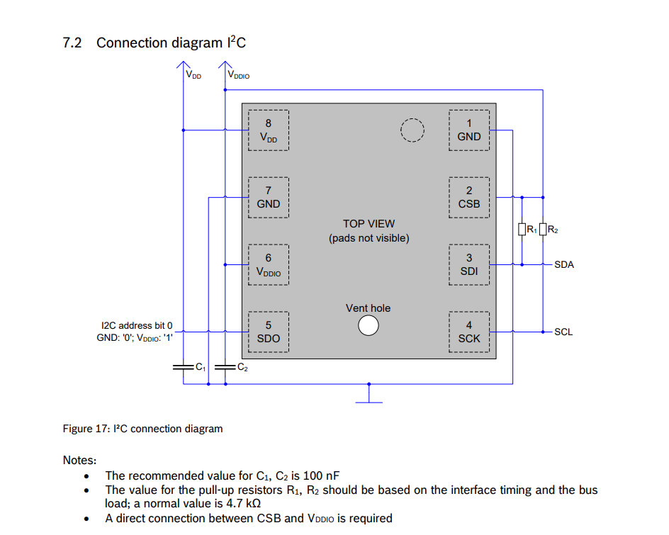
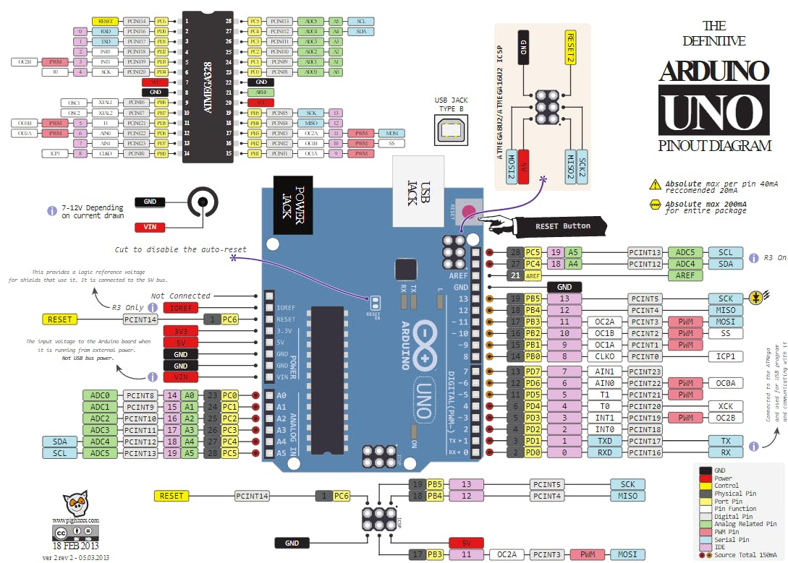
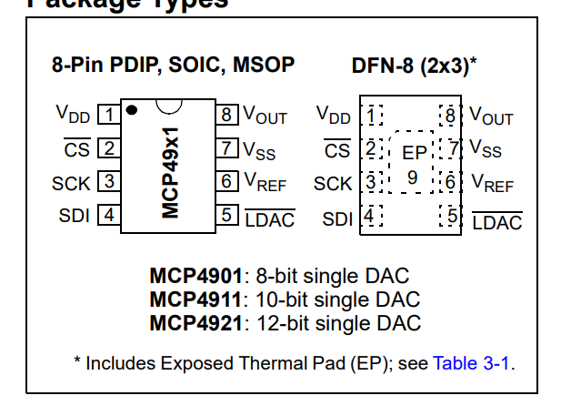
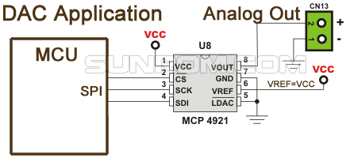
Temperature | API Output | Correct Parts | Correct Connections
0 | Sure! Here's a circuit diagram for connecting the Arduino Uno R3, MCP4921 DAC, and BME280 sensor: ``` +5V | | BME280 | | GND | | SDA | | SCL | | GND | | CS | | SCK | | SDI | | VDD | | GND | | VOUTA | | A | | GND | | VREF | | VDD | | GND | | VOUTB | | B | | GND | | Arduino Uno R3 ``` Here's the corresponding pin connections: - BME280: - VCC to +5V - GND to GND - SDA to Arduino A4 (SDA) - SCL to Arduino A5 (SCL) - MCP4921 DAC: - VDD to +5V - GND to GND - CS to Arduino digital pin 10 - SCK to Arduino digital pin 13 - SDI to Arduino digital pin 11 - VOUTA to Arduino analog pin A0 - VOUTB to Arduino analog pin A1 Make sure to connect the Arduino Uno R3 to your computer using a USB cable for programming and power. Note: You may need to install the necessary libraries for the BME280 sensor and MCP4921 DAC in your Arduino IDE before writing the code. | Y | N
0 | Sure! Here's a circuit diagram for connecting the Arduino Uno R3, MCP4921 DAC, and BME280 sensor: ``` +5V | | BME280 | | GND | | SDA | | SCL | | GND | | CS | | SCK | | SDI | | VDD | | GND | | VOUTA | | GND | | VREF | | GND | | Arduino Uno R3 ``` Here's the corresponding pin connections: - BME280: - VCC to +5V - GND to GND - SDA to Arduino A4 (SDA) - SCL to Arduino A5 (SCL) - MCP4921 DAC: - VDD to +5V - GND to GND - CS to Arduino digital pin 10 - SCK to Arduino digital pin 13 - SDI to Arduino digital pin 11 - VOUTA to the desired output device (e.g., amplifier, speaker) Make sure to connect the Arduino Uno R3 to your computer using a USB cable for programming and power. Note: You may need to install the necessary libraries for the BME280 sensor and MCP4921 DAC in your Arduino IDE before writing the code. | Y | U
0 | Sure! Here's a circuit diagram for connecting the Arduino Uno R3, MCP4921 DAC, and BME280 sensor: ``` +5V | | BME280 | | GND | | SDA | | SCL | | GND | | CS | | SCK | | SDI | | VDD | | GND | | VOUTA | | A | | GND | | VREF | | VDD | | GND | | VOUTB | | B | | GND | | Arduino Uno R3 ``` Here's the corresponding pin connections: - BME280: - VCC to +5V - GND to GND - SDA to Arduino A4 (SDA) - SCL to Arduino A5 (SCL) - MCP4921 DAC: - VDD to +5V - GND to GND - CS to Arduino digital pin 10 - SCK to Arduino digital pin 13 - SDI to Arduino digital pin 11 - VOUTA to Arduino analog pin A0 - VOUTB to Arduino analog pin A1 Make sure to connect the Arduino Uno R3 to your computer using a USB cable for programming and power. Note: You may need to install the necessary libraries for the BME280 sensor and MCP4921 DAC in your Arduino IDE before writing the code. | Y | N
0 | Sure! Here's a circuit diagram for connecting the Arduino Uno R3, MCP4921 DAC, and BME280 sensor: ``` +5V | | BME280 | | GND | | SDA | | SCL | | GND | | CS | | SCK | | SDI | | VDD | | GND | | VOUTA | | GND | | VREF | | GND | | Arduino Uno R3 ``` Here's the corresponding pin connections: - BME280: - VCC to +5V - GND to GND - SDA to Arduino A4 (SDA) - SCL to Arduino A5 (SCL) - MCP4921 DAC: - VDD to +5V - GND to GND - CS to Arduino digital pin 10 - SCK to Arduino digital pin 13 - SDI to Arduino digital pin 11 - VOUTA to the desired output device (e.g., amplifier, speaker, etc.) - VREF to +5V - GND to GND Make sure to connect the Arduino Uno R3 to your computer using a USB cable for programming and power. Note: This circuit assumes you have the necessary libraries installed for the BME280 sensor and MCP4921 DAC. | Y | U
0 | Sure! Here's a circuit diagram for connecting the Arduino Uno R3, MCP4921 DAC, and BME280 sensor: ``` +5V | | BME280 | | GND | | SDA | | SCL | | GND | | CS | | SCK | | SDI | | VDD | | GND | | VOUTA | | GND | | VREF | | GND | | Arduino Uno R3 ``` Here's the corresponding pin connections: - BME280: - VCC to +5V - GND to GND - SDA to Arduino A4 (SDA) - SCL to Arduino A5 (SCL) - MCP4921 DAC: - VDD to +5V - GND to GND - CS to Arduino digital pin 10 - SCK to Arduino digital pin 13 - SDI to Arduino digital pin 11 - VOUTA to the desired output device (e.g., amplifier, speaker, etc.) - VREF to +5V - GND to GND Make sure to connect the Arduino Uno R3 to your computer using a USB cable for programming and power. Note: You may need to install the necessary libraries for the BME280 sensor and MCP4921 DAC in your Arduino IDE before writing the code. | Y | U
0 | Sure! Here's a circuit diagram for connecting an Arduino Uno R3, MCP4921 DAC, and BME280 sensor: ``` +5V | | BME280 | | GND | | SDA | | SCL | | GND | | CS | | SCK | | SDI | | VDD | | GND | | VOUTA | | A | | GND | | VREF | | VDD | | GND | | Arduino Uno R3 ``` Here's the corresponding pin connections: - BME280: - VCC to +5V - GND to GND - SDA to Arduino Uno A4 (SDA) - SCL to Arduino Uno A5 (SCL) - MCP4921 DAC: - VDD to +5V - GND to GND - CS to Arduino Uno digital pin 10 - SCK to Arduino Uno digital pin 13 - SDI to Arduino Uno digital pin 11 - VOUTA to the analog input pin (A) you want to use on the Arduino Uno (e.g., A0) - VREF to +5V Make sure to connect the Arduino Uno R3 to your computer using a USB cable for programming and power. Note: You may need to install the necessary libraries for the BME280 sensor and MCP4921 DAC in your Arduino IDE to use them in your code. | Y | U
0 | Sure! Here's a circuit diagram for connecting an Arduino Uno R3, MCP4921 DAC, and BME280 sensor: ``` +5V | | BME280 | | GND | | SDA | | SCL | | GND | | CS | | SCK | | SDI | | VDD | | GND | | VOUTA | | A | | GND | | VREF | | VDD | | GND | | Arduino Uno R3 ``` Here's the corresponding pin connections: - BME280: - VCC to +5V - GND to GND - SDA to Arduino Uno A4 (SDA) - SCL to Arduino Uno A5 (SCL) - MCP4921 DAC: - VDD to +5V - GND to GND - CS to Arduino Uno digital pin 10 - SCK to Arduino Uno digital pin 13 - SDI to Arduino Uno digital pin 11 - VOUTA to the desired analog output pin (e.g., Arduino Uno A0) Make sure to connect the Arduino Uno R3 to your computer using a USB cable for programming and power. Note: The BME280 sensor requires the Adafruit BME280 library for Arduino. You can install it from the Arduino Library Manager. | Y | U
0 | Sure! Here's a circuit diagram for connecting the Arduino Uno R3, MCP4921 DAC, and BME280 sensor: ``` +5V | | BME280 | | GND | | SDA | | SCL | | GND | | CS | | SCK | | SDI | | VDD | | GND | | VOUTA | | A | | GND | | VREF | | VDD | | GND | | VOUTB | | B | | GND | | Arduino Uno R3 ``` Here's the corresponding pin connections: - BME280: - VCC to +5V - GND to GND - SDA to Arduino A4 (SDA) - SCL to Arduino A5 (SCL) - MCP4921 DAC: - VDD to +5V - GND to GND - CS to Arduino digital pin 10 - SCK to Arduino digital pin 13 - SDI to Arduino digital pin 11 - VOUTA to Arduino analog pin A0 - VOUTB to Arduino analog pin A1 Make sure to connect the Arduino Uno R3 to your computer using a USB cable for programming and power. Note: You may need to install the necessary libraries for the BME280 sensor and MCP4921 DAC in your Arduino IDE before writing the code. | Y | N
0 | Sure! Here's a circuit diagram for connecting the Arduino Uno R3, MCP4921 DAC, and BME280 sensor: ``` +5V | | BME280 | | GND | | SDA | | SCL | | GND | | CS | | SCK | | SDI | | VDD | | GND | | VOUTA | | A | | GND | | VREF | | VDD | | GND | | VOUTB | | B | | GND | | Arduino Uno R3 ``` Here's the corresponding pin connections: - BME280: - VCC to +5V - GND to GND - SDA to Arduino A4 (SDA) - SCL to Arduino A5 (SCL) - MCP4921 DAC: - VDD to +5V - GND to GND - CS to Arduino digital pin 10 - SCK to Arduino digital pin 13 - SDI to Arduino digital pin 11 - VOUTA to Arduino analog pin A0 - VOUTB to Arduino analog pin A1 Make sure to connect the Arduino Uno R3 to your computer using a USB cable for programming and power. Note: You may need to install the necessary libraries for the BME280 sensor and MCP4921 DAC in your Arduino IDE before writing the code. | Y | N
0 | Sure! Here's a circuit diagram for connecting an Arduino Uno R3, MCP4921 DAC, and BME280 sensor: ``` +5V | | BME280 | | GND | | SDA (A4) | | SCL (A5) | | MCP4921 | | CS (10) | | SCK (13) | | SDI (11) | | VDD (5V) | | VREF (5V) | | AGND (GND) | | DGND (GND) | | LDAC (9) | | GND | | VOUTA | | A0 | | GND ``` Make sure to connect the Arduino Uno R3 to your computer using a USB cable for programming and power supply. Here's a sample code to read data from the BME280 sensor and output it through the MCP4921 DAC: ```cpp #include <Wire.h> #include <Adafruit_Sensor.h> #include <Adafruit_BME280.h> #include <SPI.h> #define BME_SDA A4 #define BME_SCL A5 #define DAC_CS 10 #define DAC_SCK 13 #define DAC_SDI 11 #define DAC_LDAC 9 Adafruit_BME280 bme; uint16_t dacValue = 0; void setup() { Serial.begin(9600); Wire.begin(BME_SDA, BME_SCL); bme.begin(0x76); SPI.begin(); pinMode(DAC_CS, OUTPUT); pinMode(DAC_SCK, OUTPUT); pinMode(DAC_SDI, OUTPUT); pinMode(DAC_LDAC, OUTPUT); } void loop() { float temperature = bme.readTemperature(); dacValue = map(temperature, -40, 85, 0, 4095); // Map temperature to DAC range (0-4095) digitalWrite(DAC_CS, LOW); SPI.transfer16(dacValue); digitalWrite(DAC_CS, HIGH); digitalWrite(DAC_LDAC, LOW); digitalWrite(DAC_LDAC, HIGH); Serial.print("Temperature: "); Serial.print(temperature); Serial.println(" °C"); delay(1000); } ``` Make sure to install the requ | N | N | Submitted code and no hook up.

 | Diagram is unreadable.

 |  | max tokens for gpt was 1024

 |  | For unkown pins it did not specifiy the remaining pins.

